Bug Report
Bug ID | Title | Module | Severity | Priority | Related Test Case | Environment | Precondition | Steps to Reproduce | Test Data | Expected Result | Actual Result | Attachment 1 | Attachment 2 | Attachment 3

1 | Login error message is clipped at the top and bottom and doesn’t fit inside its container | Login | Minor (UI) | Medium | TC_Login : id=15 | 1. OS:windows 11 2. Browser:Chrome 3. User: any invalid credentials 4.device:Laptop 5.URL: https://www.saucedemo.com/ | User is on the Login page. | 1.Open the Login page. 2.Enter an invalid username (e.g. v). 3.Enter an invalid password (e.g. 12). 4.Click Login. 5.Check the error message banner. | username: v password: 12 | The full message “Epic sadface: Username and password do not match any user in this service” is displayed inside the red banner, with all lines fully visible and proper spacing from the password field and the Login button. | 1.The first line (“Epic sadface: Username and”) is cut off at the top. 2.The last line (“this service”) is cut off at the bottom. 3.The text is wrapped over 3 lines and the banner height does not grow to fit it. 4.The banner sits directly against the password field underline and the Login button, with no spacing.

2 | Unable to increase the quantity of a product from the Products page, Product Details page, or Cart | 1.Products 2.Product Details 3.Cart | Major | High | Cart TC-14 | 1. OS:windows 11 2. Browser:Chrome 3. User: any invalid credentials 4.device:Laptop 5.URL: https://www.saucedemo.com | User is logged in as standard_user and the cart is empty. | 1.On the Products page, click Add to cart on Sauce Labs Backpack. 2.Try to add the same product again or increase its quantity. 3.Open the Sauce Labs Backpack details page and try to increase the quantity. 4.Open the Cart page and try to increase the quantity of the Backpack. | Sauce Labs Backpack | The user can increase the quantity of a product (for example to 2) from the Products page, the Product Details page, and the Cart page, and the cart badge and the item quantity update accordingly. | 1.On the Products page, the button changes to Remove after the first click, so the product can’t be added again. 2.On the Product Details page, there is no way to increase the quantity. 3.On the Cart page, there is no control to increase the quantity. 4.Quantity stays at 1 and the cart badge never goes above 1 for the same product. | 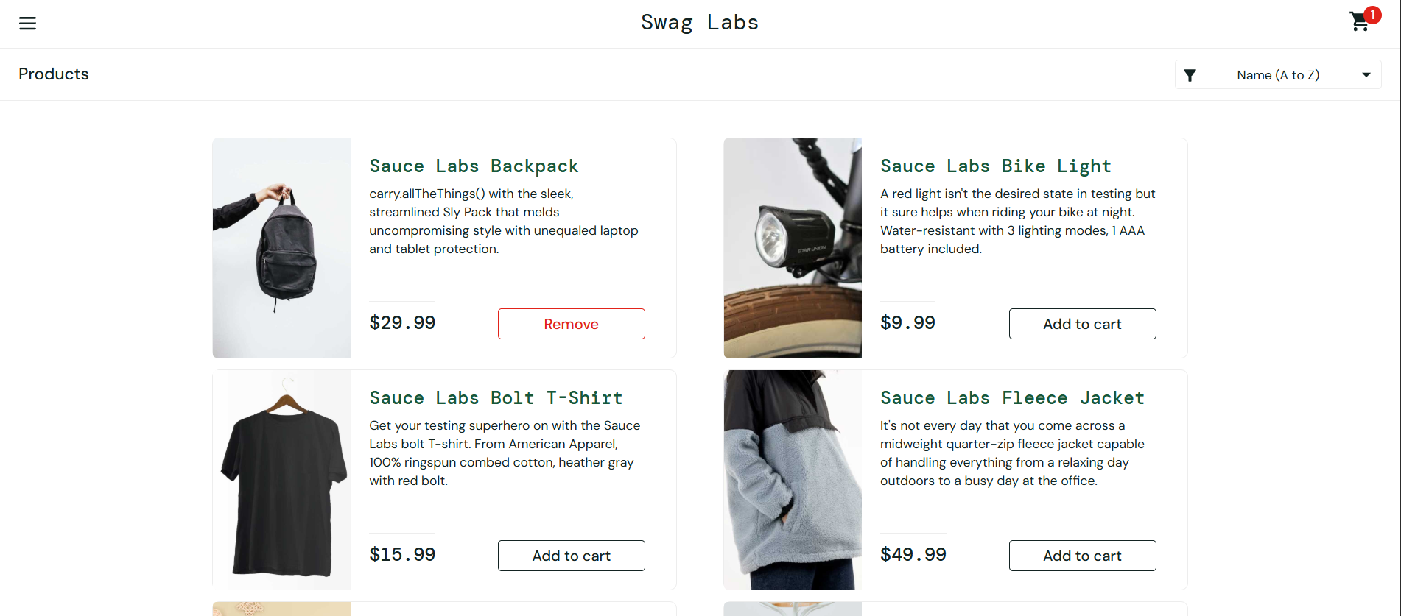

3 | [Cart] Checkout is allowed with an empty cart and the empty order can be completed | 1.Cart 2.Checkout | Medium | Medium | Cart TC-12 | 1. OS: Windows 11 2. Browser: Chrome 3. User: standard_user 4. Device: Laptop 5.URL: https://www.saucedemo.com | User is logged in as standard_user and the cart is empty (no items, no badge) | 1. Open the Cart page. 2. Click Checkout. 3. Fill in First Name, Last Name, and Postal Code, then click Continue. 4. On the Overview page, click Finish. | 1.username: standard_user 2.password: secret_sauce 3.FirstName: Test 4.LastName: User 5.PostalCode: 12345 | Checkout is blocked, or the user is warned that the cart is empty, and no order can be placed | 1. Checkout opens with no items in the cart. 2. The Overview page shows Item total: $0, Tax: $0.00, Total: $0.00. 3. Finish works and the Checkout: Complete page shows “Thank you for your order!”

